Normal Distribution
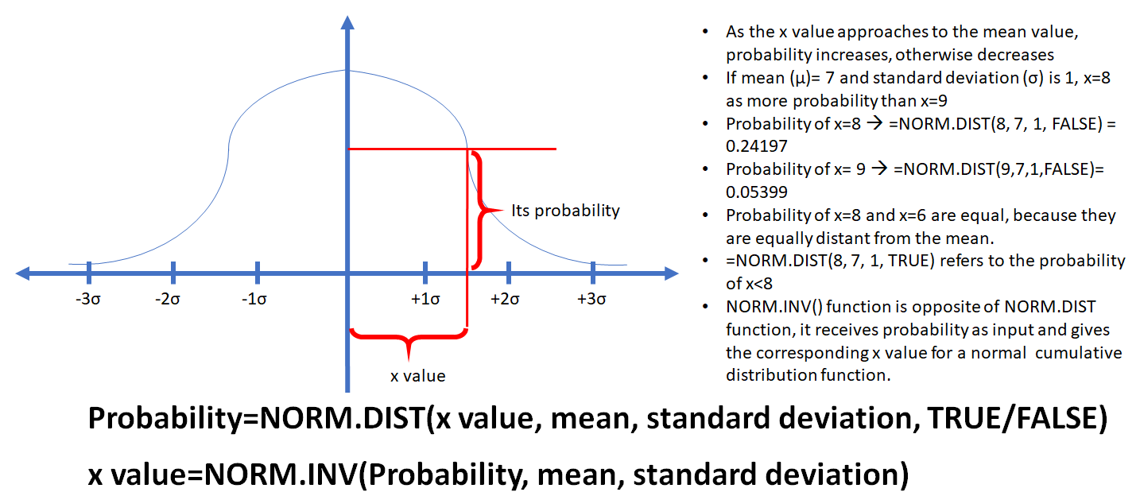
Normal Distribution
X-value=
Mean=
Standard Deviation=
Cumulative=

Probability=
Random Number based on Normal Distribution=

